Sheet1
 |  |  |  |  |  |  |  |  | Questions | Ānswers
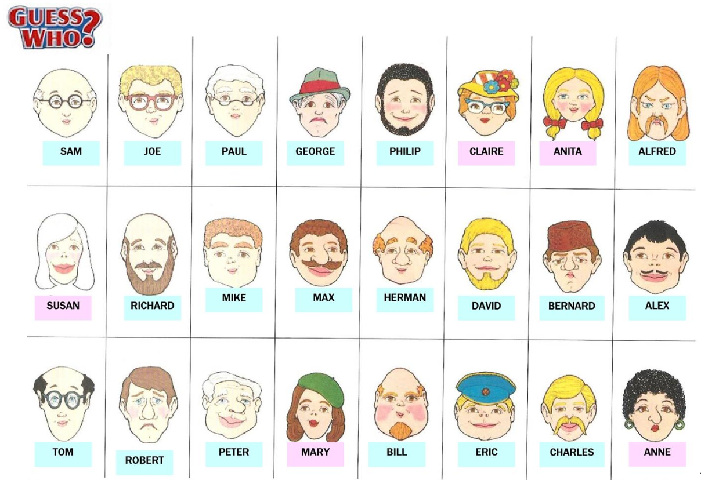 |  |  |  |  |  |  |  |  | Ma wai e timata? – Who should start? Patai: Using the “He _____ tōna/ōna” sentence structure. Gender: He tane ia? – Is he a male? He wahine ia? – Is she a female? Hair type and colour: He makawe ōna? Does he/she have hair? He makawe koromikomiko ōna? Does he/she have curly hair? He makawe torokaka ōna? Does he/she have straight hair? He makawe (colour) ōna? Does he/she have (colour) hair? Eye Colour: He karu kahurangi ōna? Does he/she have blue eyes? He karu parauri ōna? Does he/she have brown eyes? Skin colour: He kiritea tōna? Does he/she have white skin? He kirimangu tōna? Does he/she have black skin? He kiri pārauri tōna? Does he/she have brown skin? Beard/Moustache: He pāhau tōna? Does he have a beard? He hurungutu tōna? Does he have a moustache? Hat/Glasses/Earrings: He pōtae tōna? Doe he/she have a hat? He mōwhiti ōna? Does he/she have glasses? He rīngi taringa ōna? Does he/she have earrings? | Māku / Māu / Mā (ingoa) e timata – I / You / Name can start Gender: He tane ia? – Is he a male? He wahine ia? – Is she a female? Hair type and colour: He makawe ōna? Does he/she have hair? He makawe koromikomiko ōna? Does he/she have curly hair? He makawe torokaka ōna? Does he/she have straight hair? He makawe (colour) ōna? Does he/she have (colour) hair? Eye Colour: He karu kahurangi ōna? Does he/she have blue eyes? He karu parauri ōna? Does he/she have brown eyes? Skin colour: He kiritea tōna? Does he/she have white skin? He kirimangu tōna? Does he/she have black skin? He kiri pārauri tōna? Does he/she have brown skin? Beard/Moustache: He pāhau tōna? Does he have a beard? He hurungutu tōna? Does he have a moustache? Hat/Glasses/Earrings: He pōtae tōna? Doe he/she have a hat? He mōwhiti ōna? Does he/she have glasses? He rīngi taringa ōna? Does he/she have earrings?
 | SAM | JOE | PAUL | GEORGE | PHILIP | CLAIRE | ANITA | ALFRED
 | SUSAN | RICHARD | MIKE | MAX | HERMAN | DAVID | BERNARD | ALEX
 | TOM | ROBERT | PETER | MARY | BILL | ERIC | CHARLES | ANNE

